Model Fit
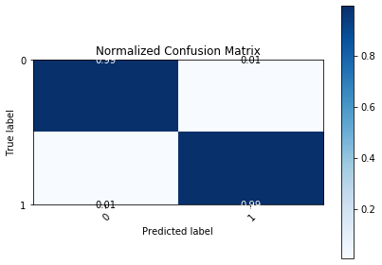
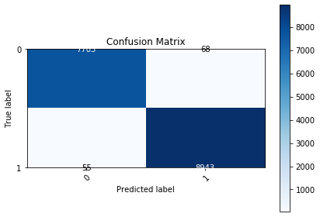
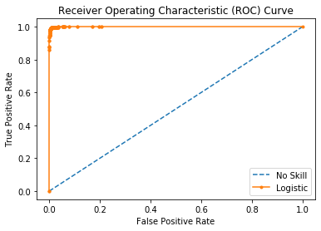
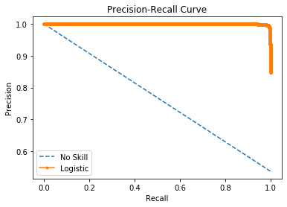

Logistic Area Under Curve | 0.99964339578 | Logistic Area Under Curve | 0.99969877725
No Skill Area Under Curve | 0.5 | Logistic F1 | 0.99317008163
Optimal Threshold | 0.47525590027 | No Skill Area Under Curve | 0.76829268293
 |  | No Skill F1 | 0
 |  | Best Threshold (F1) | 0.46

